Test case template
Център за обучение по софтуерно тестване Website: http://skillo-bg.com

Bug ID | PSB001
Name | Incorrectly displayed quantities
Priority | P1
Severity | S2
Description | The user can successfully place an order and send a payment for qtys that are not actually available in stock
Steps to reproduce | 1. Load http://automationpractice.com/index.php
 | Pick up an item, color, qty. Check the available qtys and order higher amount than the anounced
 | 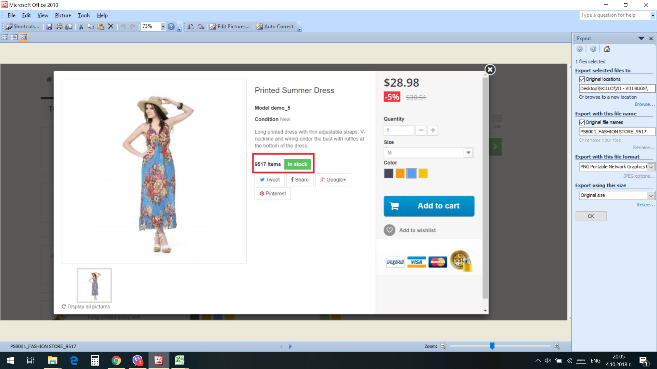
 | Expected results:
 | A red message should alert that requested qtys are not available in stock
 | Actual results:
 | Qtys accepted and user redirected to checkout page. Payment accepted.
Attachment | -
Status | Opened
Component | Quantities
Version/Build number (Found in)
Environment | Chrome Version 69.0.3497.100
Comments | -
Date Created | 4-Oct-18
Author | Cvetomira Nedkova
Audit Log | Cvetomira Nedkova created the bug on 4 Oct 2018

